Sheet1
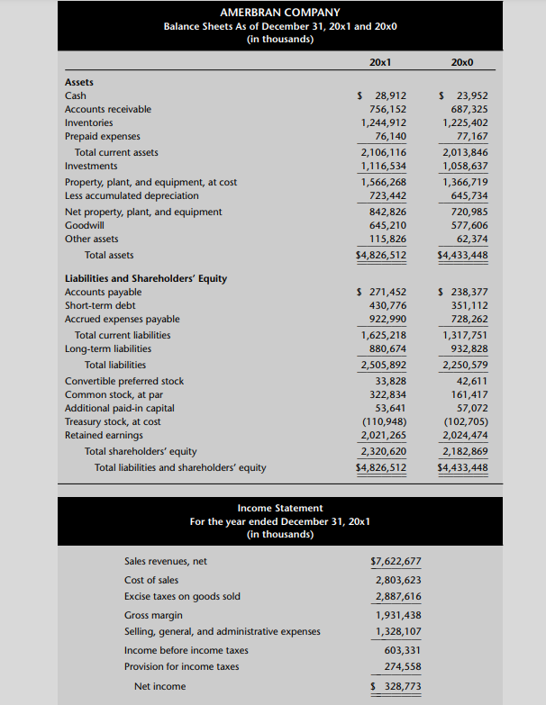
Balance sheets as of Dec 31 | 20x1 | 20x0 | Change
Assets
Cash | ₹ 28,912 | ₹ 23,952 | ₹ 4,960
Accounts receivable | ₹ 756,152 | ₹ 687,325 | ₹ 68,827 | -
Inventories | ₹ 1,244,912 | ₹ 1,225,402 | ₹ 19,510 | -
Prepaid expenses | ₹ 76,140 | ₹ 77,167 | -₹ 1,027 | +
Total current assets | ₹ 2,106,116 | ₹ 2,013,846

Investments | ₹ 1,116,534 | ₹ 1,058,637 | ₹ 57,897 | COF in IA
Property, plant, and equipment, at cost | ₹ 1,566,268 | ₹ 1,366,719 | ₹ 199,549
Less accumulated depreciation | ₹ 723,442 | ₹ 645,734 | ₹ 77,708
Net property, plant, and equipment | ₹ 842,826 | ₹ 720,985 | ₹ 121,841
Goodwill | ₹ 645,210 | ₹ 577,606 | ₹ 67,604
Other assets | ₹ 115,826 | ₹ 62,374 | ₹ 53,452
Total assets | ₹ 4,826,512 | ₹ 4,433,448 | ₹ 393,064
 |  |  | ₹ 0
Liabilities and Shareholders’ Equity |  |  | ₹ 0
Accounts payable | ₹ 271,452 | ₹ 238,377 | ₹ 33,075 | +
Short-term debt | ₹ 430,776 | ₹ 351,112 | ₹ 79,664 | IA= CIF
Accrued expenses payable | ₹ 922,990 | ₹ 728,262 | ₹ 194,728 | +
Total current liabilities | ₹ 1,625,218 | ₹ 1,317,751 | ₹ 307,467
 |  |  | ₹ 0
Long-term liabilities | ₹ 880,674 | ₹ 932,828 | -₹ 52,154
Total liabilities | ₹ 2,505,892 | ₹ 2,250,579 | ₹ 255,313
 |  |  | ₹ 0
Convertible preferred stock | ₹ 33,828 | ₹ 42,611 | -₹ 8,783
Common stock, at par | ₹ 322,834 | ₹ 161,417 | ₹ 161,417
Additional paid-in capital | ₹ 53,641 | ₹ 57,072 | -₹ 3,431
Treasury stock, at cost | -₹ 110,948 | -₹ 102,705 | -₹ 8,243
Retained earnings | ₹ 2,021,265 | ₹ 2,024,474 | -₹ 3,209
Total shareholders’ equity | ₹ 2,320,620 | ₹ 2,182,869 | ₹ 137,751
Total liabilities and shareholders’ equity | ₹ 4,826,512 | ₹ 4,433,448 | ₹ 393,064

Net Income | 328773
Add beck Dep | 115974
Add back loss on sale of Equpi | 66046
Deduct Income from Subsidiary | -59610
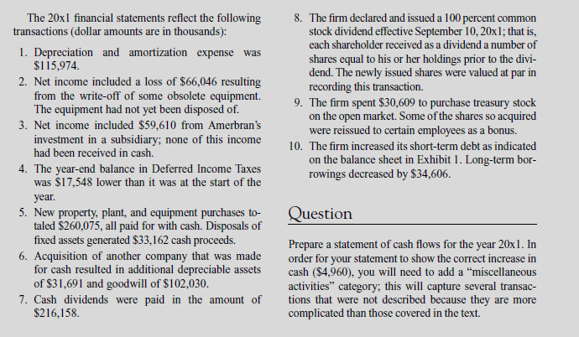
Deduct deffered tax decrease | -17548
Changes in Working Capital
Add decrease in PPE | 1027
Add Increase in AP | 33075
Add increase in Accru Exp | ₹ 194,728
Deduct Increase in AR | -68827
Deduct Increase in Inventory | -19510
Net Cash from OA | 574128

Investment Activities
Cash inflow
Sale | 33162

Cash Out flows
Purchase of assets | -260075
Purchase Assets | -31691
Purchase of GW | -102030
Purchase of Treasury stock | -30609
Net Cash from IA | -391243

Financing Activities
Cash inflow
Increase in STD | 79664

Cash Out flows
Dividends | -216158
LTD payment | -34606
Net Cash from FA | -171100

Opening Balnce of cash | ₹ 23,952
NCFOA | 574128
NCFIA | -391243
NCFFA | -171100
Cash Payment for mis .activities | -6825 | sum = | ₹ 35,737
NFC | ₹ 28,912 |  | 28912
Actual Closing Balance | 28912 |  | ₹ 6,825
Differnce

